Cover Sheet

Starbucks Corporation (NasdaqGS:SBUX), 10 Years Valuation
Prepared by:
Shaira Katuwal

Kelley Deliverables Affirmation:
As a Kelley student, I will act professionally with civility and respect toward others and with honor and integrity in all my work.
I have neither given nor received unauthorized aid on this deliverable.

Overview:
Segment | Description | FY2023 % of Total Revenue (approx.)
North America | Primarily U.S. and Canada company-operated and licensed stores | 73%
International | Company-operated and licensed stores outside North America | 23%
Channel Development | Packaged coffee, tea, and ready-to-drink products sold through grocery stores and partners | 4%

Starting Comments:
Starbucks uses a 52/53-week fiscal year calendar (not a fixed “December 31” calendar year).
Most fiscal years have 52 weeks. Every 5-6 years, one year has 53 weeks to realign the calendar.
The extra week usually lands in the last quarter (Q4).
Did not adjust these to exactly 365-day years because: The difference between 52 and 53 weeks is only about 2% of a year, which is immaterial in most valuation or forecasting contexts.
Resources used: Capital IQ, AI tools, Professor Damodaran's website

Summary of valuation
Based on the pro forma financials, Starbucks’ Enterprise Value (EV) is estimated at $105.3B, leading to an Equity Value of $84.5B and an implied share price of $78.89 (based on 1,054.9 million shares outstanding). The valuation uses a Discounted Cash Flow (DCF) approach with forecasted Free Cash Flow to the Firm (FCFF) from 2025-2034 and a terminal value (TV) calculated using a perpetuity growth model.
Key assumptions and adjustments
Revenue & NOPAT growth: Forecasted based on historical growth trends and Starbucks’ guidance.
CapEx stabilization: After 2030, CapEx assumed to stabilize at approx. 4-5% of sales, in line with historical Starbucks performance, to prevent negative FCFF.
Net Working Capital (NWC): Historical trend of negative NWC continues, reflecting Starbucks’ operational efficiency.
WACC: 7.02% calculated using a market-based weight of debt (21.15%) and equity (78.85%).
Terminal growth rate: 2%, reflecting a conservative long-term growth assumption for a mature company.
Debt and Equity split: Maintained in line with historical Starbucks leverage and the WACC calculation.

Justification / observations
Starbucks is a mature, cash-generating company with stable operating margins.
FCFF gradually declines if CapEx grows too quickly relative to operating cash; stabilizing CapEx makes the valuation realistic.
Debt levels are consistent with historical leverage, and retained earnings are negative but captured in total equity.
The implied share price is slightly below current market price, which may reflect conservative CapEx and growth assumptions.
CapEx and WACC Justification: CapEx was stabilized at 4-5% of revenue after 2030, consistent with Starbucks’ historical post-expansion spending patterns, to avoid negative FCFF and reflect a mature company profile. The WACC of 7.02% reflects the firm’s target capital structure with 79% equity and 21% debt, aligning with Starbucks’ historical leverage and current market conditions.
Future Price / Target Price: Based on the projected FCFF, balanced pro forma, and PV calculations, the implied share price in 2034 is $78.89, reflecting a modest decline from today’s market price due to ongoing CapEx requirements and moderate growth assumptions. This is calculated based on the current WACC which takes into consideration the increasing risk free rate at 4.71% as of 11/21/2025

Limitations
Assumes steady economic environment, no major disruptions, and no large acquisitions.
Terminal value is a large portion of EV (approx. 70-75%), so valuation is sensitive to growth and discount rate assumptions.
Share repurchases, dividends, or changes in capital structure beyond historical trends are not explicitly modeled.

Forecasting Sales
Real Sales (in 2024 USD) | 2015 | 2016 | 2017 | 2018 | 2019 | 2020 | 2021 | 2022 | 2023 | 2024
Net Real Revenue (millions) | 25,569.6 | 27,864.6 | 28,660.0 | 31,053.2 | 32,556.8 | 28,495.7 | 32,896.7 | 34,294.0 | 37,014.6 | 36,176.2
Net Real Operating Costs (millions) | 18,712.5 | 20,262.7 | 21,081.6 | 23,133.9 | 24,364.6 | 23,088.7 | 24,310.5 | 26,489.1 | 28,525.0 | 28,020.1

Real Revenues and Costs

Period | Net Real Revenue (millions) | Forecasts
2015 | 25,569.6
2016 | 27,864.6
2017 | 28,660.0
2018 | 31,053.2
2019 | 32,556.8
2021 | 32,896.7 | Excluding year 2020: COVID
2022 | 34,294.0
2023 | 37,014.6 | FORECAST.LINEAR Approach
2024 | 36,176.2 | Projected Sales | Projected Growth Rates
2025 |  | 38,288.7 | 3.44% | Slight post-COVID normalization
2026 |  | 39,458.9 | 3.06%
2027 |  | 40,629.2 | 2.97% | Growth rate decreasing hereon, Reflects mature company stabilization
2028 |  | 41,799.4 | 2.88%
2029 |  | 42,969.7 | 2.80%
2030 |  | 44,139.9 | 2.72%
2031 |  | 45,310.1 | 2.65%
2032 |  | 46,480.4 | 2.58%
2033 |  | 47,650.6 | 2.52%
2034 |  | 48,820.9 | 2.46%

 |  | Additional Commment: I used FORECAST.LINEAR() because the trend is mostly linear beside COVID year where the dip is an outlier. Excluding year 2020 as an outlier, 2020 was a pandemic shock year, not representative of Starbucks’ long-term fundamentals.

Forecasting Costs
Period | 2015 | 2016 | 2017 | 2018 | 2019 | 2020 | 2021 | 2022 | 2023 | 2024
Net Real Revenue (millions) | 25,569.6 | 27,864.6 | 28,660.0 | 31,053.2 | 32,556.8 | 28,495.7 | 32,896.7 | 34,294.0 | 37,014.6 | 36,176.2
Net Real Operating Costs (millions) | 18,712.5 | 20,262.7 | 21,081.6 | 23,133.9 | 24,364.6 | 23,088.7 | 24,310.5 | 26,489.1 | 28,525.0 | 28,020.1
 |  |  |  |  |  |  |  |  | Correlation | 0.98 | positive correlation, this confirms again that Net Real Operating Costs increase almost proportionally with Real Revenue.
Real Revenues and Costs

Period | Net Real Revenue (millions) | Net Real Operating Costs
2015 | 25,569.6 | 10,795.2 |  | Costs = f(Revenues) intercept |  |  | 38,871.2 | excluded 2020 here as well for consistency
2016 | 27,864.6 | 11,682.8 |  | Costs = f(Revenues) slope |  |  | -1.10
Net Real Operating Costs as a Function of Net Real Revenues
2017 | 28,660.0 | 9,554.0
2018 | 31,053.2 | 579.4
2019 | 32,556.8 | 548.7
2021 | 32,896.7 | 555.7
2022 | 34,294.0 | 621.1
2023 | 37,014.6 | 1,109.9
2024 | 36,176.2 | 1,010.7
2025 | 38,288.7 | (3,070.9)
2026 | 39,458.9 | (4,352.8)
2027 | 40,629.2 | (5,634.7)
2028 | 41,799.4 | (6,916.6)
2029 | 42,969.7 | (8,198.5)
2030 | 44,139.9 | (9,480.4)
2031 | 45,310.1 | (10,762.3)
2032 | 46,480.4 | (12,044.2)
2033 | 47,650.6 | (13,326.1)
2034 | 48,820.9 | (14,608.0)

WACC
Values in absolute amounts
 | Class A Shares |  |  | Debt Issue | Coupon Rate | Outstanding | "Blown-Out" Debt Schedule Also Called Debt Amortization Schedule
Number of Shares outstanding | 1,136,900,000 | Derived from CapIQ |  | Due 2025-2029 | 3.61% | 6,600 | Coupon | 3.61% | 3.75% | 4.25% | 3.43%
Current Market Price per share | $87.26 |  |  | Due 2030-2034 | 3.75% | 4,500 | Year | Due 2025-2029 | Due 2030-2034 | Due 2045-2049 | Due 2050+ | Total Amount of Financing | Weighted Average Coupon
Beta | 0.98 | Derived from CapIQ |  | Due 2035-2039 | 0 | - | 2025 | 5,280 | 4,500 | 2,850 | 1,750 | $14,380.00 | 3.76%
Riskfree Rate | 4.71% | 10 yrs US Treasury Yeild, as of 11/21/2025, https://home.treasury.gov/resource-center/data-chart-center/interest-rates/TextView?type=daily_treasury_yield_curve&field_tdr_date_value=2025 |  | Due 2040-2044 | 0 | - | 2026 | 3,960 | 4,500 | 2,850 | 1,750 | $13,060.00 | 3.77%
Market Risk Premium | 4.33% | Professor Damodaran Equity Risk Premium as of January 2025, https://pages.stern.nyu.edu/~adamodar/New_Home_Page/datafile/ctryprem.html |  | Due 2045-2049 | 4.25% | 2,850 | 2027 | 2,640 | 4,500 | 2,850 | 1,750 | $11,740.00 | 3.79%
Cost of equity | 8.95% |  |  | Due 2050+ | 3.43% | 1,750 | 2028 | 1,320 | 4,500 | 2,850 | 1,750 | $10,420.00 | 3.81%
 |  |  |  |  | 0.04% | 15,700 | 2029 | - | 4,500 | 2,850 | 1,750 | $9,100.00 | 3.84%
Pretax cost of debt | 0.04% |  |  |  |  |  | 2030 | - | 3,600 | 2,850 | 1,750 | $8,200.00 | 3.85%
tax rate | 31.00% |  |  | Maturity Bucket | Period | Annual Amortization (in million$ USD) | 2031 | - | 2,700 | 2,850 | 1,750 | $7,300.00 | 3.87%
after tax cost of debt | 0.026% |  |  | 2025–2029 | 5 | 1,320 | 2032 | - | 1,800 | 2,850 | 1,750 | $6,400.00 | 3.88%
 |  |  |  | 2030–2034 | 5 | 900 | 2033 | - | 900 | 2,850 | 1,750 | $5,500.00 | 3.91%
Market Value of Equity | $99,205,894,000 |  |  | 2045–2049 | 5 | 570 | 2034 | - | - | 2,850 | 1,750 | $4,600.00 | 3.94%
Market Value of Debt | $26,611,500,000 | Derived from CapIQ |  | 2050+ | assumed long-term constant until 2049 | 1,750 | 2045 | - | - | 2,850 | 1,750 | $4,600.00 | 3.94%
Total | $125,817,394,000 |  |  |  |  |  | 2046 | - | - | 2,850 | 1,750 | $4,600.00 | 3.94%
Weight of Equity | 78.85% |  |  |  |  |  | 2047 | - | - | 2,850 | 1,750 | $4,600.00 | 3.94%
Weight of Debt | 21.15% |  |  |  |  |  | 2048 | - | - | 2,850 | 1,750 | $4,600.00 | 3.94%
 |  |  |  |  |  |  | 2049 | - | - | 2,850 | 1,750 | $4,600.00 | 3.94%

WACC= | 7.07%

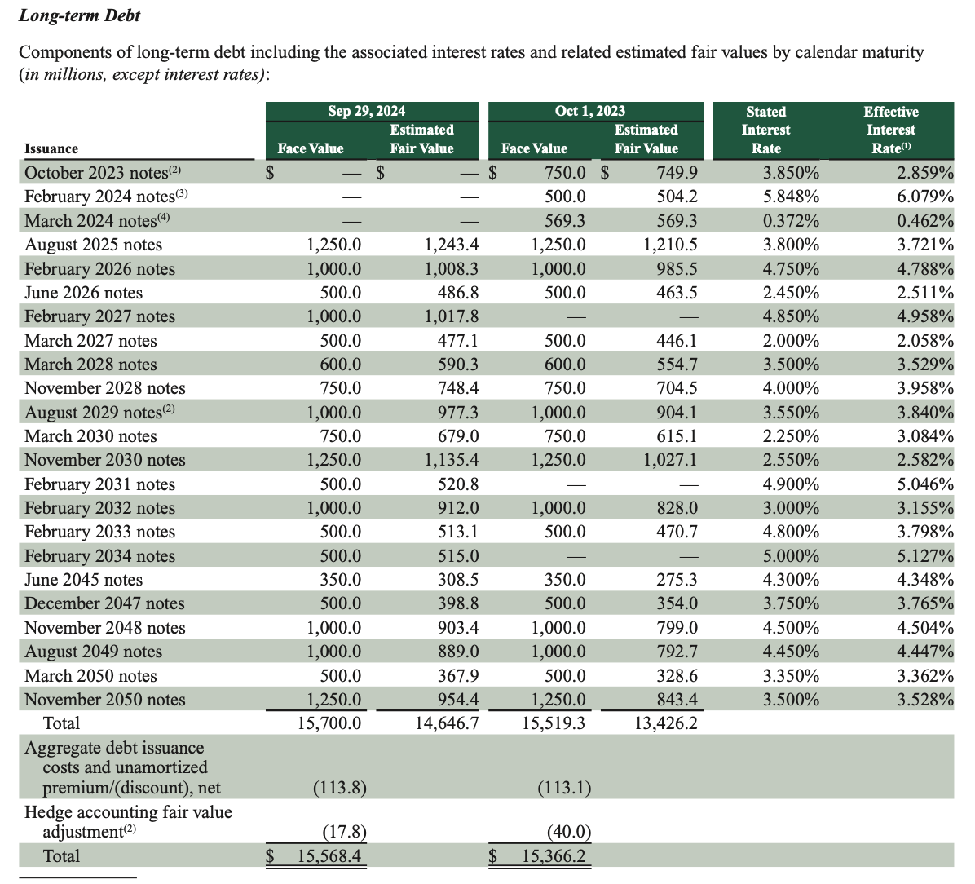
Long-Term Debt From Note 9, FY2024 10K
Issuance | Face Value (Sep 29, 2024) | Estimated Fair Value (Sep 29, 2024) | Face Value (Oct 1, 2023) | Estimated Fair Value (Oct 1, 2023) | Stated Interest Rate | Effective Interest Rate
October 2023 notes(2) | - | - | 750.0 | 749.9 | 3.85% | 2.86%
February 2024 notes(3) | - | - | 500.0 | 504.2 | 5.85% | 6.08%
March 2024 notes(4) | - | - | 569.3 | 569.3 | 0.37% | 0.46%
August 2025 notes | 1,250.0 | 1,243.4 | 1,250.0 | 1,210.5 | 3.80% | 3.72%
February 2026 notes | 1,000.0 | 1,008.3 | 1,000.0 | 985.5 | 4.75% | 4.79%
June 2026 notes | 500.0 | 486.8 | 500.0 | 463.5 | 2.45% | 2.51%
February 2027 notes | 1,000.0 | 1,017.8 | - | - | 4.85% | 4.96%
March 2027 notes | 500.0 | 477.1 | 500.0 | 446.1 | 2.00% | 2.06%
March 2028 notes | 600.0 | 590.3 | 600.0 | 554.7 | 3.50% | 3.53%
November 2028 notes | 750.0 | 748.4 | 750.0 | 704.5 | 4.00% | 3.96%
August 2029 notes(2) | 1,000.0 | 977.3 | 1,000.0 | 904.1 | 3.55% | 3.84%
March 2030 notes | 750.0 | 679.0 | 750.0 | 615.1 | 2.25% | 3.08%
November 2030 notes | 1,250.0 | 1,135.4 | 1,250.0 | 1,027.1 | 2.55% | 2.58%
February 2031 notes | 500.0 | 520.8 | - | - | 4.90% | 5.05%
February 2032 notes | 1,000.0 | 912.0 | 1,000.0 | 828.0 | 3.00% | 3.16%
February 2033 notes | 500.0 | 513.1 | 500.0 | 470.7 | 4.80% | 3.80%
February 2034 notes | 500.0 | 515.0 | - | - | 5.00% | 5.13%
June 2045 notes | 350.0 | 308.5 | 350.0 | 275.3 | 4.30% | 4.35%
December 2047 notes | 500.0 | 398.8 | 500.0 | 354.0 | 3.75% | 3.77%
November 2048 notes | 1,000.0 | 903.4 | 1,000.0 | 799.0 | 4.50% | 4.50%
August 2049 notes | 1,000.0 | 889.0 | 1,000.0 | 792.7 | 4.45% | 4.45%
March 2050 notes | 500.0 | 367.9 | 500.0 | 328.6 | 3.35% | 3.36%
November 2050 notes | 1,250.0 | 954.4 | 1,250.0 | 843.4 | 3.50% | 3.53%
Total | $15,700.00 | $14,646.70 | $15,519.30 | $13,426.20
Aggregate debt issuance costs and unamortized premium/(discount), net | (113.8) |  | (113.1)
Hedge accounting fair value adjustment(2) | (17.8) |  | (40.0)
Total | $15,568.40 |  | $15,366.20

